Sheet1
Date | Platform | content Type | Post Text | Image | Hashtags
2023-09-17 | Facebook , Instagram | Blog Post | Check Out Our latest blog on Smart Inventory Reporting | 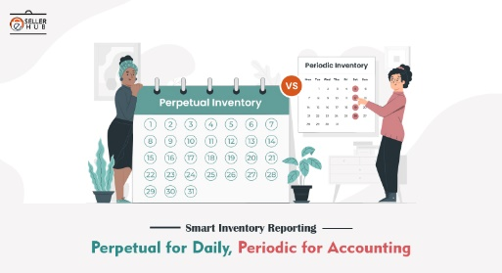 | #smartinventory #esellerhub #ecommerce
2023-09-18 | Linked In | Placement | We Hiring |  | #HiringProductmanager#MBA#digitalmareting
2023-09-19 | Facebook , Instagram ,LinkedIn | Video | Watch our latest video | Video | #supplychain#Business
2023-09-20 | Instagram | Behind the scene | Get a sneak peek behind the scenes at eSellerHub | Reels | #behindthescene
2023-09-21 | Facebook , Instagram ,LinkedIn | Webinar | Join our webinar on "Smart Inventory Management" | Link | #webinar
2023-09-22 | Linked In | Infographic | Did you know infographic on the inmportance of inventory |  | #Inventory #business

